General farm info
Risk analysis tool biosecurity Healthy Livestock WP1 Netherlands
Final version 27-6-2019 / MB-WUR

Introduction
This draft Risk Analysis Tool is based on literature review of risks for major Dutch broiler diseases, including existing scoring systems for biosecurity (with special attention to Dutch scoring systems and the Biocheck.UGent). The format anticipates on the format of the health plans to be worked out, which will according to the WP1 work plan description be based on the (FAO) risk zoning (red-orange-green).

Farm characteristics
Name company/farmer: .....
Adress, residence: ....
nr. broiler houses/nr. broilers per house: ......

Guideline to veterinarian and broiler farmer

Step 1 Define on-farm risk zones
Download a Google Earth map of the farm location and color the risk zones (red-orange-green)
Make a schematic drawing of the farm location and color the risk zones, and identify the buildings, stables, storage sites, pathways et cetera.
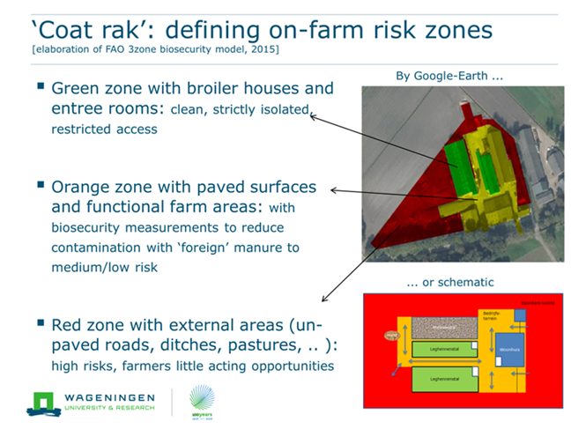

Example

Step 2 Go through the risk analysis tool
Answer the questions belonging to the different zones and transition lines between zones (see tabs). Each question can be answered by means of a scroll menu in the colored column. The tabs 'Transition O-G' and 'GREEN ZONE' should be filled out for each broiler house on the farm. The reddish colors in the column Farm Score are the points of attention.

Step 3 Interpretation
The answers entered by the scroll lists will be automatically scored in the Farm Score column. Veterinarian and farmer: please analyze together the generated scores and discuss: where are opportunities for improvements? In the Overall scores tab at the end of the document, an overview of the farm scores per theme and a graphical representation is provided. The point distribution system (fully compliance 1 up to no compliance 0) is derived from Biocheck.Ugent.

Stap 4 Health plan
Make an action plan with SMART formulated preventative actions per zone and per transition line between zones for strenghtening of on-farm biosecurity (What, How, Who, When)

The EU part of the HealthyLivestock project is funded by the EU Horizon 2020 research and innovation program under grant agreement number 773436

Overall scores
Overall farm scores on biosecurity regarding the zones and transition lines between the zones
Final version 26 -6 -2019 / MB-WUR

 | FARM SCORE
Zones and transition lines | % of maximum score | (higher % is less risk)
RED ZONE | 0%
Transition line Red-Orange | 0%
ORANGE ZONE | 0%
Transition line Orange-Green | 0%
GREEN ZONE | 0%

